Sheet1
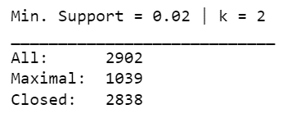
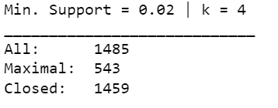
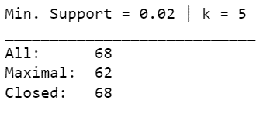
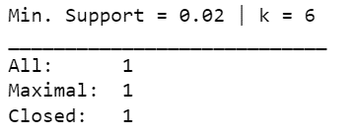
ATTRIBUTE | RANGE | COUNT | ATTRIBUTE | RANGE | COUNT

Polysemy | 'Ambiguous' | 371 | AROU | '(1.433, 1.956]_arou' | 1098
 | 'Not Ambiguous' | 3986 |  | '(1.956, 2.132]_arou' | 1088
 |  |  |  | '(2.132, 2.318]_arou' | 1087
Length | 'Short' | 1710 |  | '(2.318, 2.788]_arou' | 1084
 | 'Average' | 2008
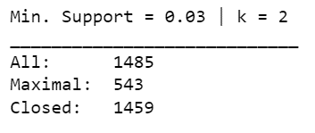
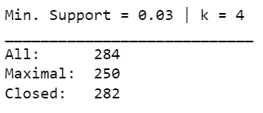
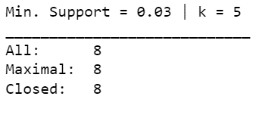
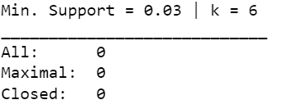
 | 'Long' | 638 | VAL | '(4.147, 5.286]_val' | 1093
 |  |  |  | '(1.2180000000000002, 4.147]_val' | 1091
AROU | '(1.433, 1.956]_arou' | 1098 |  | '(5.286, 6.061]_val' | 1091
 | '(1.956, 2.132]_arou' | 1088 |  | '(6.061, 8.647]_val' | 1082
 | '(2.132, 2.318]_arou' | 1087
 | '(2.318, 2.788]_arou' | 1084 | IMAG | '(1.82, 3.514]_imag' | 1097
 |  |  |  | '(6.031, 6.941]_imag' | 1088
 |  |  |  | '(3.514, 4.657]_imag' | 1086
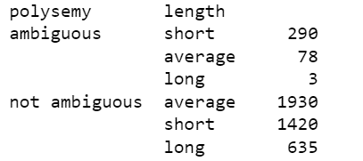
 |  |  |  | '(4.657, 6.031]_imag' | 1086

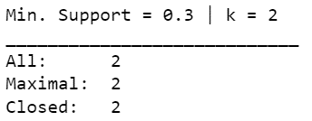
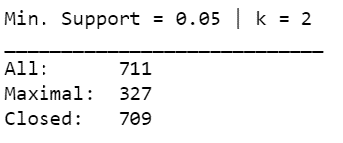
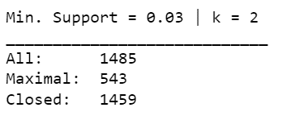
 |  |  | AOA | '(3.121, 4.171]_aoa' | 1100
 |  |  |  | '(1.37, 3.121]_aoa' | 1092
 |  |  |  | '(5.143, 6.971]_aoa' | 1083
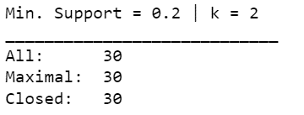
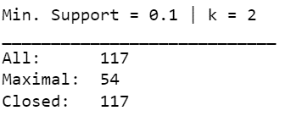
 |  |  |  | '(4.171, 5.143]_aoa' | 1082

 |  |  | SIZE | '(4.171, 4.879]_size' | 1094
 |  |  |  | '(1.374, 3.412]_size' | 1091
 |  |  |  | '(3.412, 4.171]_size' | 1088
 |  |  |  | '(4.879, 6.912]_size' | 1084

 |  |  | GEND | '(4.121, 4.647]_gend' | 1095
 |  |  |  | '(1.9680000000000002, 3.636]_gend' | 1091
 |  |  |  | '(3.636, 4.121]_gend' | 1088
 |  |  |  | '(4.647, 6.219]_gend' | 1083

 |  |  | WCF | '(13.639000000000001, 20.76]_wcf' | 1090
 |  |  |  | '(20.76, 22.493]_wcf' | 1089
 |  |  |  | '(22.493, 24.445]_wcf' | 1089
 |  |  |  | '(24.445, 30.913]_wcf' | 1089

